2. memo
1. Memo Initiation | If the Initiator selects “Memo Required = Yes”, a separate Memo tab will open on the same page.
 | System will fetch the details from contract form and show in the editable view in memo screen, which initiator can edit. -The Initiator will: ->can update the top section contain text fields as per sample ->Manually select the Divisional Head as first signing authority of memo ->followed up with the list of other users required to sign the memo (a policy guide will be available with the link to show on same page on popup to help user select the approvers) ->Define and maintain the approval sequence ->All contract related attachments will be visible in the third tab "Attachments" ->Submit the memo for review
2. Legal Review | A designated Legal team member will: ->Review the memo and (update signing sequence or users) ->Approve or Send Back to the Initiator for required changes
3. Divisional Head Approval | After Legal approval, the memo will be routed to the manually selected Divisional Head, who may: ->Approve the memo ->Send Back the memo to the Initiator
4. Sequential Memo Signing | Once approved by the Divisional Head, a sequential approval workflow will be triggered for the memo signatories listed by the Initiator.
 | Approvals will follow the defined sequence.
 | If any approver sends the memo back: ->The process will return to the Initiator stage(1) ->The entire approval cycle will be re‑initiated from the beginning
5. Audit & Tracking | The LOA table at the end of the page will: ->Maintain a complete approval log ->Display all memo actions and status changes for audit purposes ->A separate LOA will be maintained for each process(Contract Review and Memo) and will show in a respective tabs (ref Figma design)
6. Reconnection to Contract Review Process | Once all memo approvers have approved, the memo process will automatically reconnect to the final stage of the Contract Review Process, which includes: ->Upload of the final executed/signed contract copy ->Setup of contract expiry and renewal intimation
7. Memo template and download option | after completion of memo approval, a auto filled memo template will be available for users to download and use it in their files. (ref memo template attached)

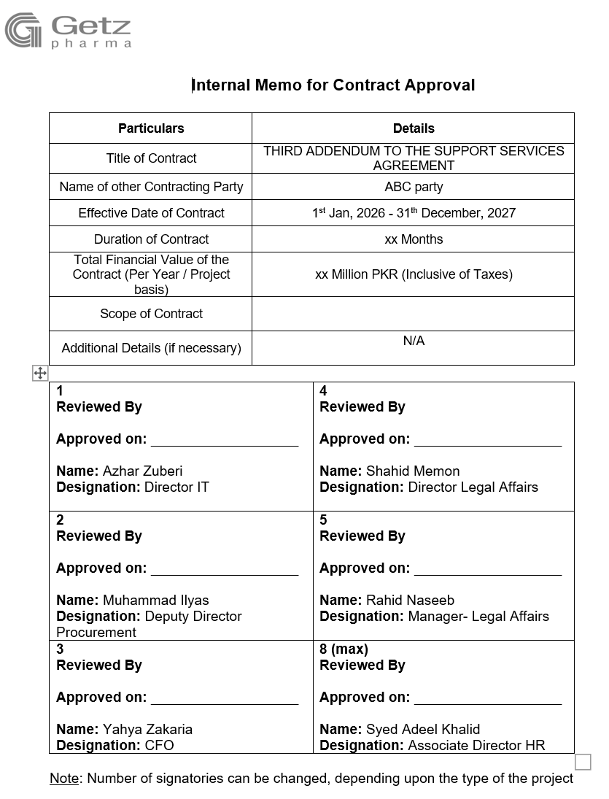

 |  | Add Contract # & Memo # in the table

figma design
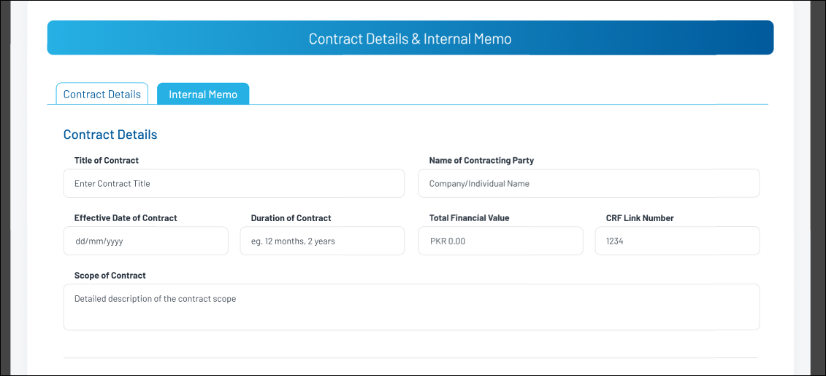
1 | Add Supplier/ Contract Party screen
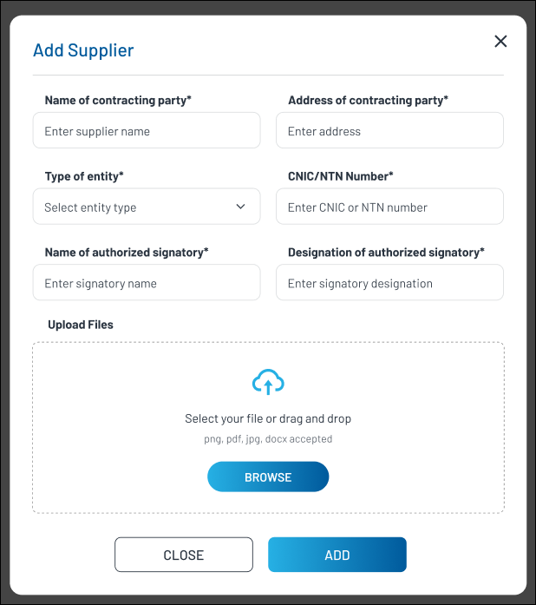

2 | Contract Review Form
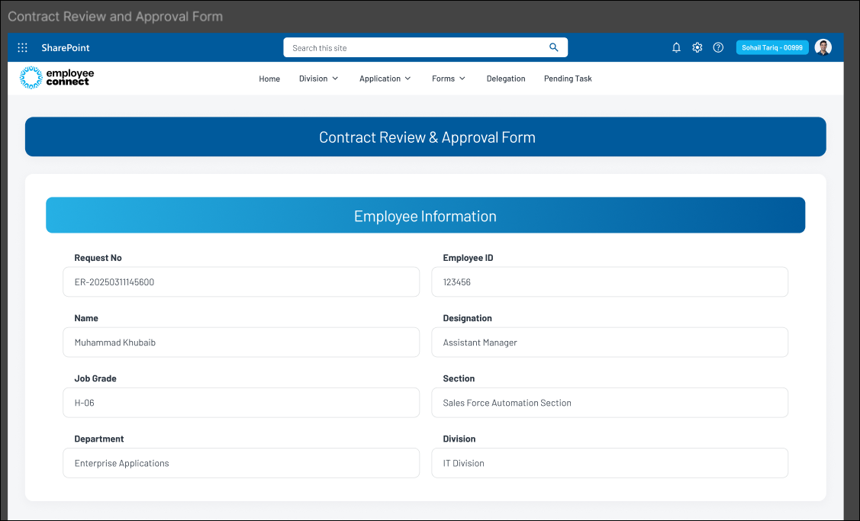

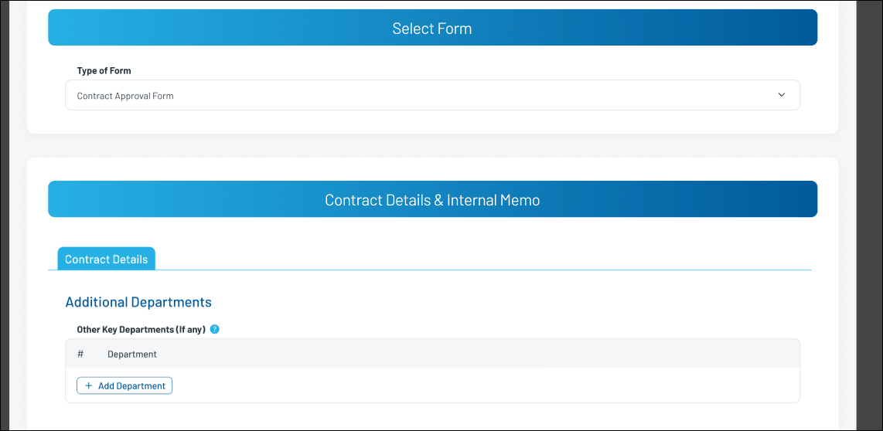

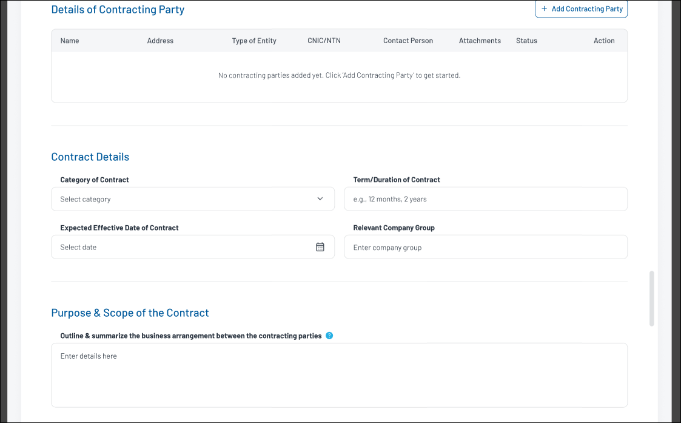

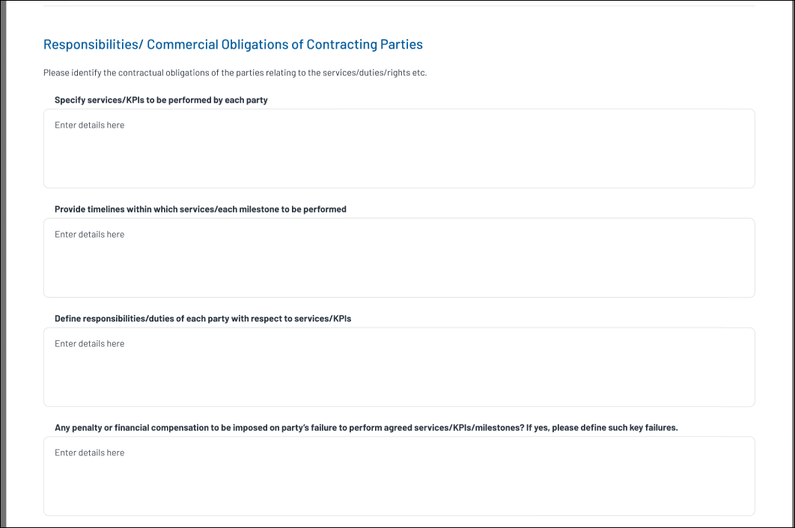

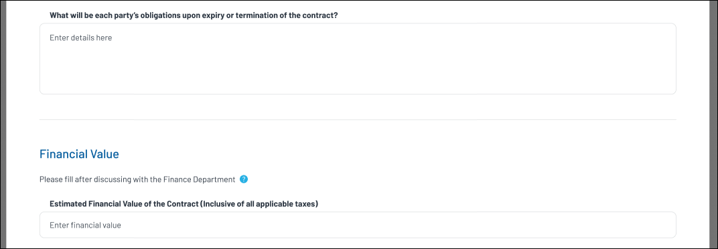

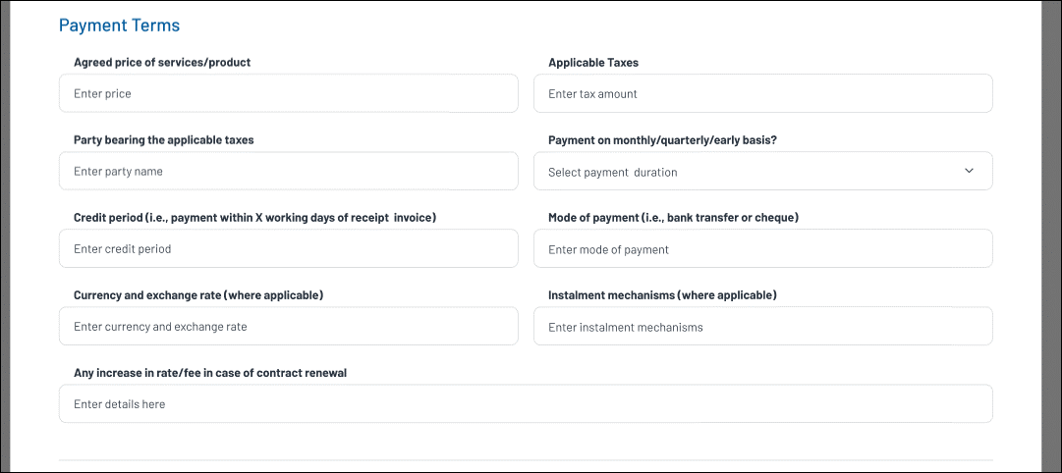

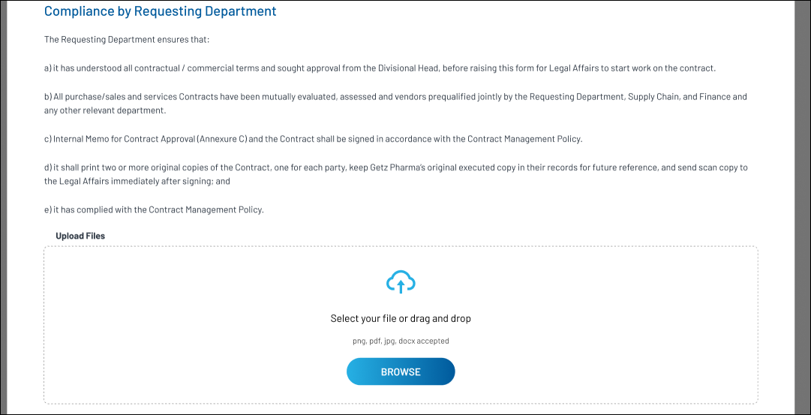

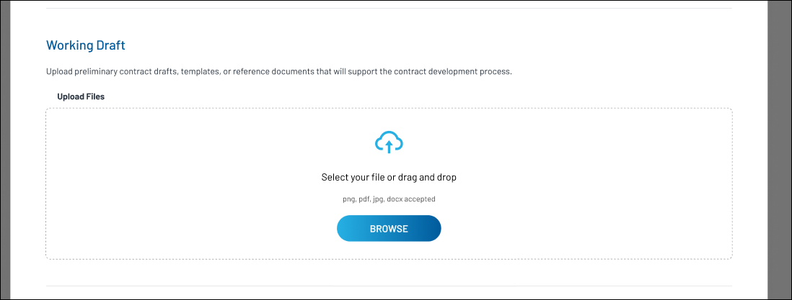

3 | stage wise attachments to be shown in attachment tab
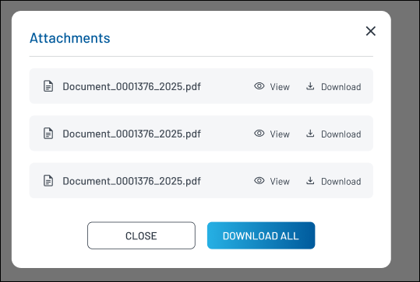

4 | Memo screen

